Performance Evaluation
This tab is REQUIRED to be completed
Instructions for completion of this tab are identified within each cell. Please use your annual contracts (PY20, PY21, PY22 for the data on this tab. You do NOT need to include your CARES, or ARP, etc., type contracts in this evaluation.

Historic Performance Evaluation
 | PY20 | PY21 | PY22
Total Direct Service Budget
Direct Service Expenditures & Customer Obligations as of APRIL Expenditure Report (submitted May 15)
% Expended | #DIV/0! | #DIV/0! | #DIV/0!
30% or greater? | #DIV/0! | #DIV/0! | #DIV/0!

Direct Service Expenditures & Customer Obligations as of JUNE Expenditure Report (submitted July 15)
% Expended | #DIV/0! | #DIV/0! | #DIV/0!
50% or greater? | #DIV/0! | #DIV/0! | #DIV/0!

Direct Service Expenditures & Customer Obligations as of DECEMBER Expenditure Report (submitted January 15)
% Expended | #DIV/0! | #DIV/0! | #DIV/0!
Should be 100% expended | #DIV/0! | #DIV/0! | #DIV/0! | 0
Obligation % determinations per TAC 6.304
Required Expenditure Benchmarks met at end of contract term, for last 3 years? | 0.00%
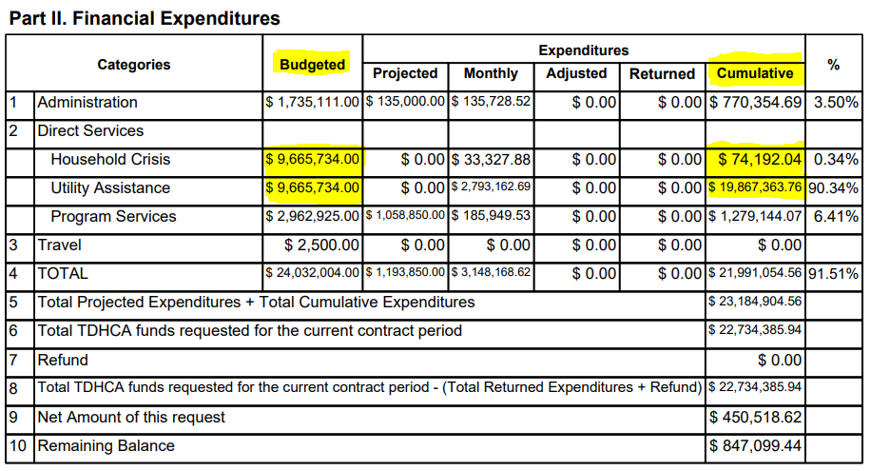

NOTE: If you have fully expended 2 out of the last 3 years based on this tab, the remaining tabs are OPTIONAL.

